Number
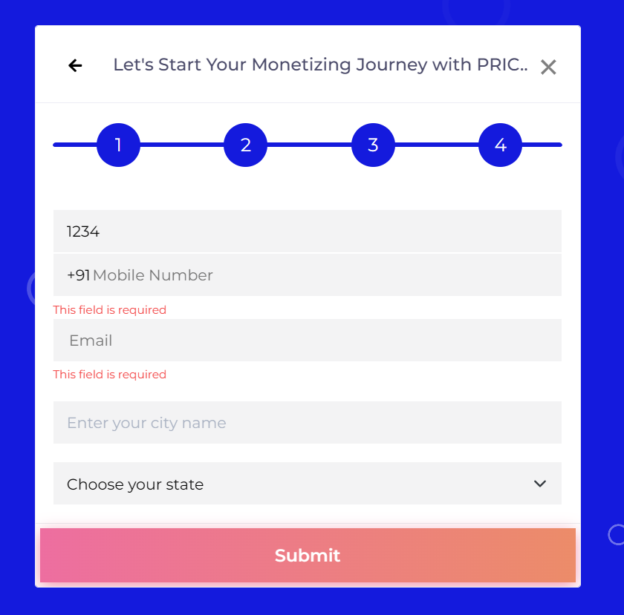
Bug ID : | TP_SU_008
Summary : | Enter Name TextField taking Number
Steps to reproduce: | 1.Launch Browser 2.Enter URL 3.Click on SignUp 4.Click on any one option 5.Click on Locked Massage 6. Scroll till I Accept The Terms And Conditions 7. Click on Accept button 8. Enter Input into textfield
Expected result: | Enter Name TextField don’t take Number
Actual result: | Enter Name TextField taking Number
Severity: | High
Priority: | High
Environment : | Browser: Google Chrome Version 128.0.6613.138
 | Operating System: Windows 11
 | Device: HP LAPTOP-J7UF7I4K
Status : | Open
Attachment:

alphabet, number & Special char
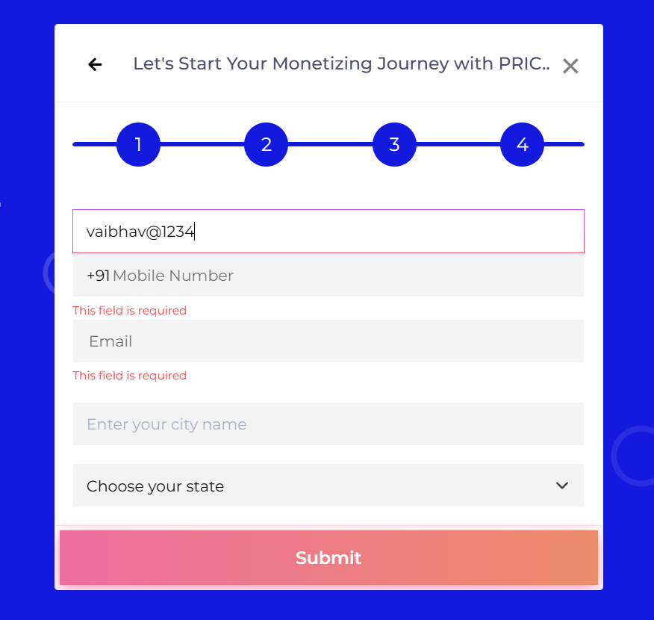
Bug ID : | TP_SU_009
Summary : | Enter Name Text Field taking alphabet, number & Special char
Steps to reproduce: | 1.Launch Browser 2.Enter URL 3.Click on Signup 4.Click on any one option 5.Click on Locked Massage 6. Scroll till I Accept The Terms And Conditions 7. Click on Accept button 8. Enter Input into text field
Expected result: | Enter Name Text Field don’t take alphabet, number & Special char
Actual result: | Enter Name Text Field taking alphabet, number & Special char
Severity: | High
Priority: | High
Environment : | Browser: Google Chrome Version 128.0.6613.138
 | Operating System: Windows 11
 | Device: HP LAPTOP-J7UF7I4K
Status : | Open
Attachment:

Special Char
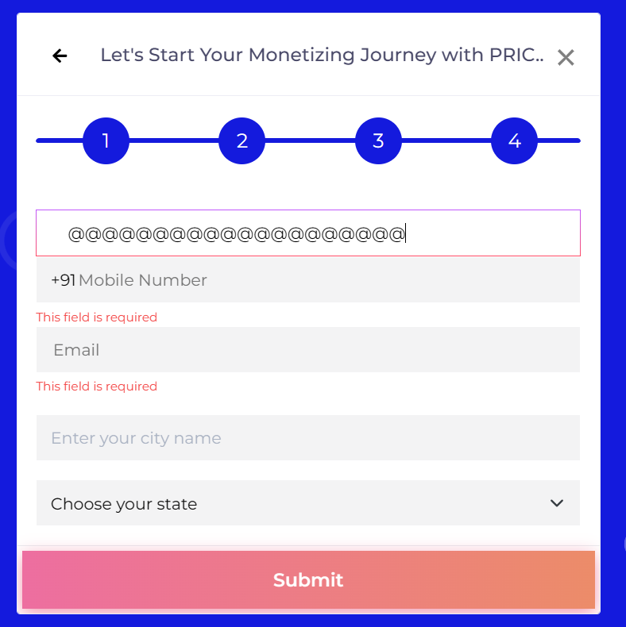
Bug ID : | TP_SU_010
Summary : | Enter Name TextField taking special char
Steps to reproduce: | 1.Launch Browser 2.Enter URL 3.Click on SignUp 4.Click on any one option 5.Click on Locked Massage 6. Scroll till I Accept The Terms And Conditions 7. Click on Accept button 8. Enter Input into textfield
Expected result: | Enter Name TextField don’t take special char
Actual result: | Enter Name TextField taking special char
Severity: | High
Priority: | High
Environment : | Browser: Google Chrome Version 128.0.6613.138
 | Operating System: Windows 11
 | Device: HP LAPTOP-J7UF7I4K
Status : | Open
Attachment:

Space
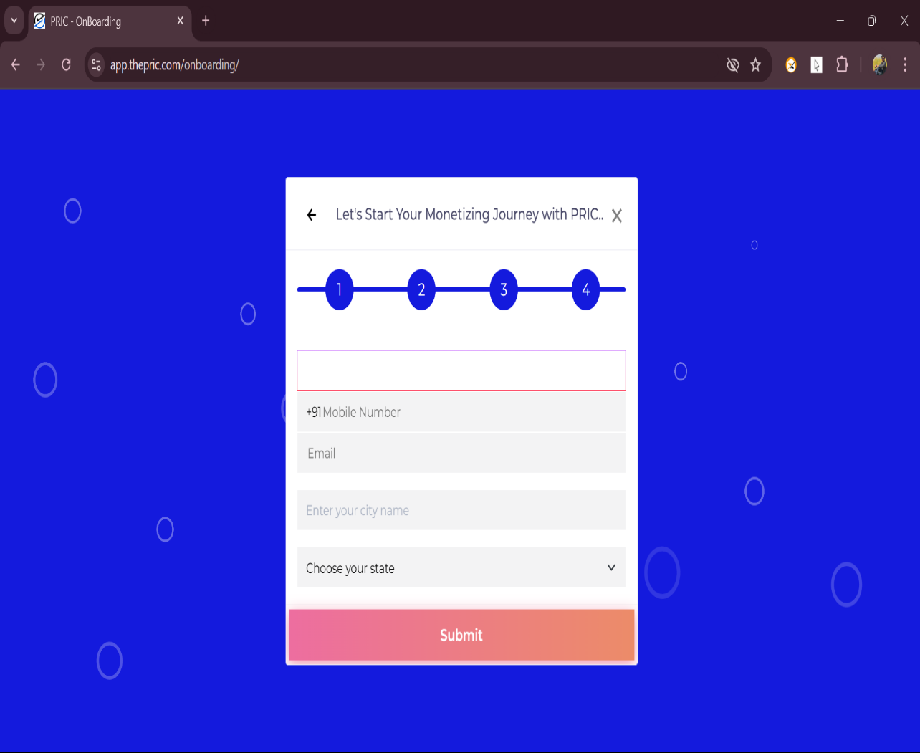
Bug ID : | TP_SU_011
Summary : | Enter Name TextField taking space
Steps to reproduce: | 1.Launch Browser 2.Enter URL 3.Click on SignUp 4.Click on any one option 5.Click on Locked Massage 6. Scroll till I Accept The Terms And Conditions 7. Click on Accept button 8. Enter Input into textfield
Expected result: | Enter Name TextField don’t take space
Actual result: | Enter Name TextField taking space
Severity: | High
Priority: | High
Environment : | Browser: Google Chrome Version 128.0.6613.138
 | Operating System: Windows 11
 | Device: HP LAPTOP-J7UF7I4K
Status : | Open
Attachment:

City num
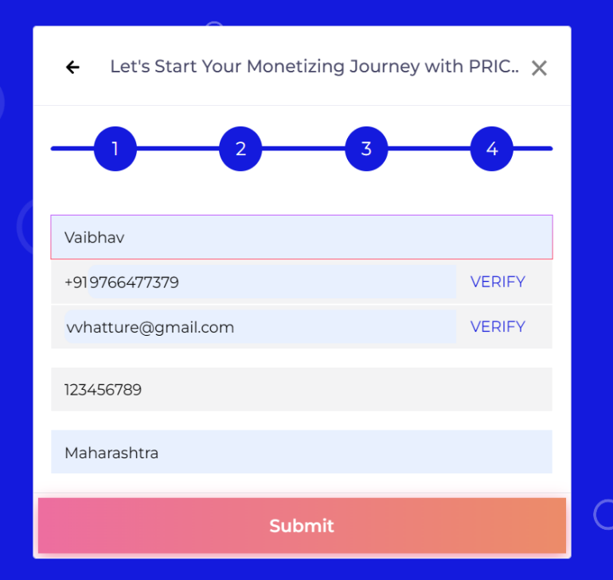
Bug ID : | TP_SU_008
Summary : | Enter city name text field take number
Steps to reproduce: | 1.Launch Browser 2.Enter URL 3.Click on SignUp 4.Click on any one option 5.Click on Locked Massage 6. Scroll till I Accept The Terms And Conditions 7. Click on Accept button 8.Enter city name text field take number
Expected result: | Enter Name TextField don’t take Number
Actual result: | Enter Name TextField taking Number
Severity: | High
Priority: | High
Environment : | Browser: Google Chrome Version 128.0.6613.138
 | Operating System: Windows 11
 | Device: HP LAPTOP-J7UF7I4K
Status : | Open
Attachment:

City sc
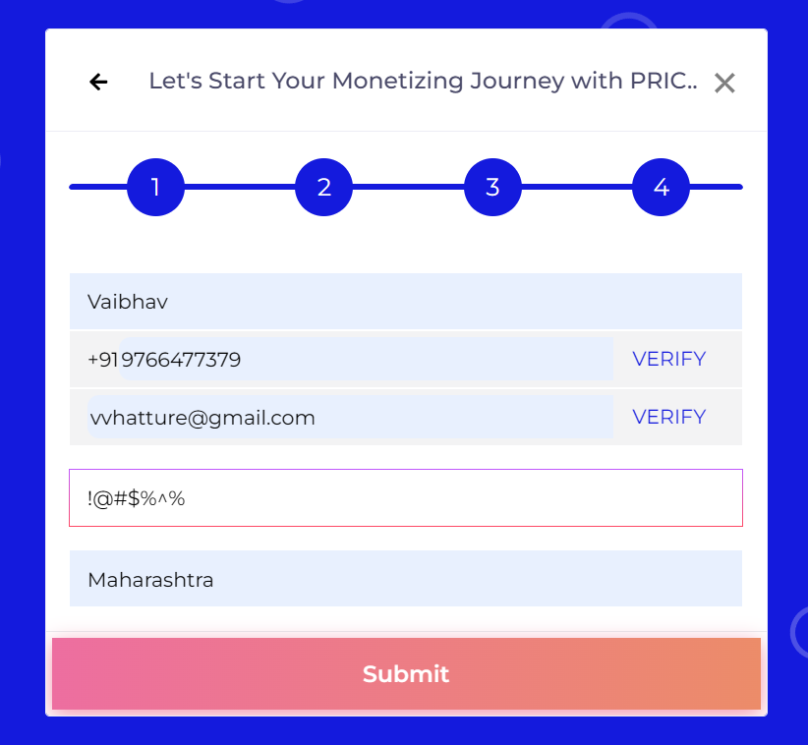
Bug ID : | TP_SU_008
Summary : | Enter City TextField taking Special char
Steps to reproduce: | 1.Launch Browser 2.Enter URL 3.Click on SignUp 4.Click on any one option 5.Click on Locked Massage 6. Scroll till I Accept The Terms And Conditions 7. Click on Accept button 8.Enter city name text field take Special char
Expected result: | Enter Name TextField don’t take Special char
Actual result: | Enter Name TextField taking Number
Severity: | High
Priority: | High
Environment : | Browser: Google Chrome Version 128.0.6613.138
 | Operating System: Windows 11
 | Device: HP LAPTOP-J7UF7I4K
Status : | Open
Attachment:

city
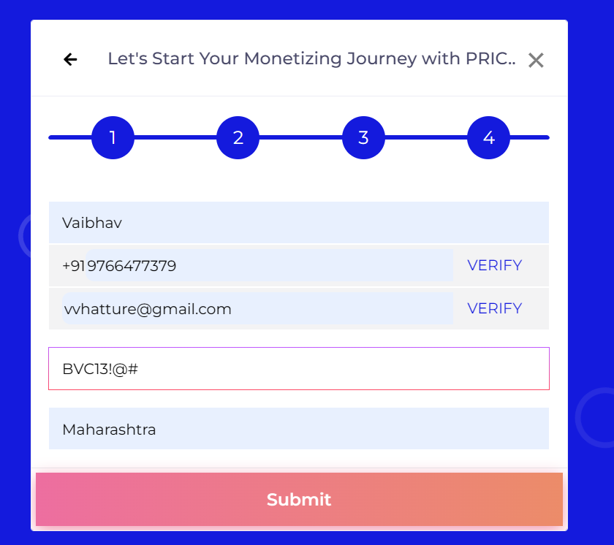
Bug ID : | TP_SU_024
Summary : | Enter City TextField taking Number & Special char
Steps to reproduce: | 1.Launch Browser 2.Enter URL 3.Click on SignUp 4.Click on any one option 5.Click on Locked Massage 6. Scroll till I Accept The Terms And Conditions 7. Click on Accept button 8.Enter city name text field take alphabet,num & special char
Expected result: | Enter City TextField don’t take Num & special char
Actual result: | Enter City TextField taking Number & Special char
Severity: | High
Priority: | High
Environment : | Browser: Google Chrome Version 128.0.6613.138
 | Operating System: Windows 11
 | Device: HP LAPTOP-J7UF7I4K
Status : | Open
Attachment:

